Instructions
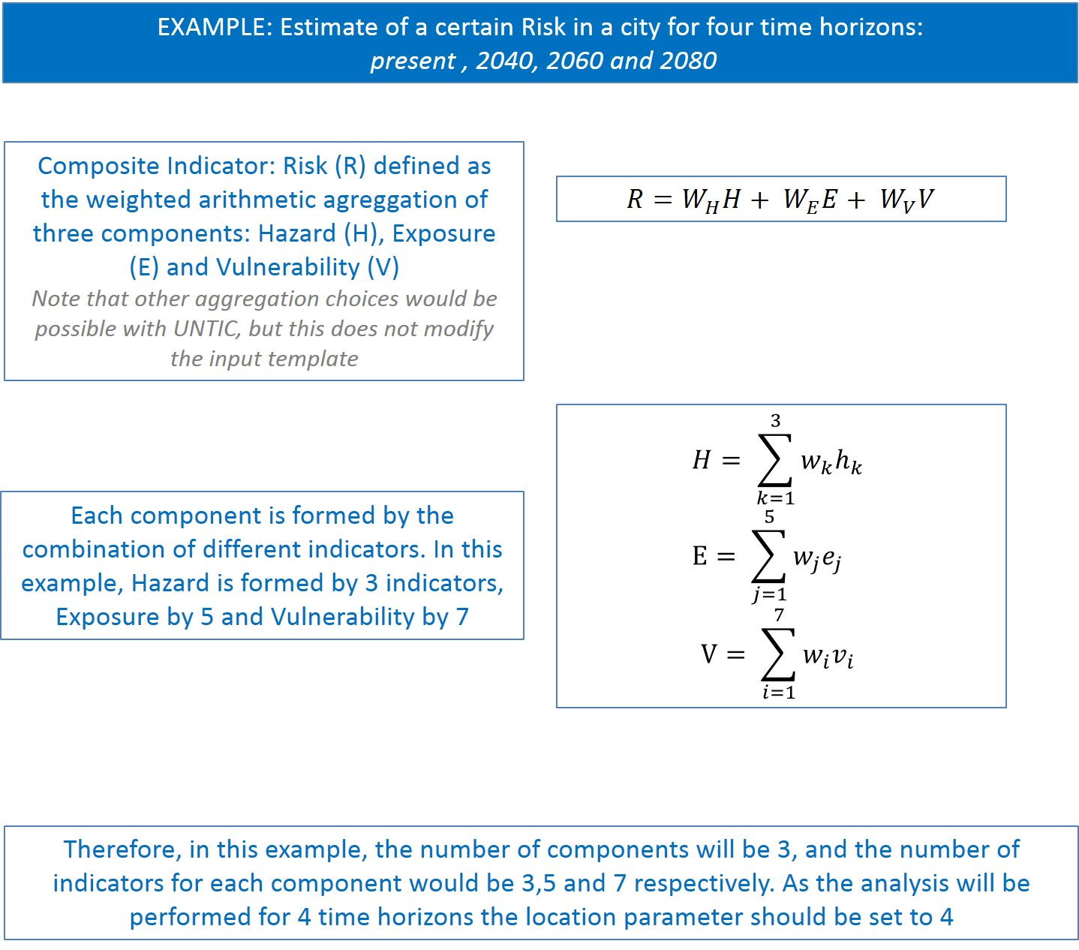



The UNTIC tool is a web-based application for assessing uncertainties in climate risk assessment in the framework of the impact chain for risk assessment. The UNTIC tool has been developed in the framework of the EU project UNCHAIN.

This file is used to create a template to be used with the UNTIC tool

In the sheet "Parametres" the user have to define how many components have to be aggregated, how many indicators are expected for each component and in how many locations will the aggregated indicator will be computed (i.e. different sites, different temporal horizons).
Uploading this file to the website will generate a template suitable to be filled with the information of the particular case study.

